Workflow
WORKFLOW

1. Flow: Cart

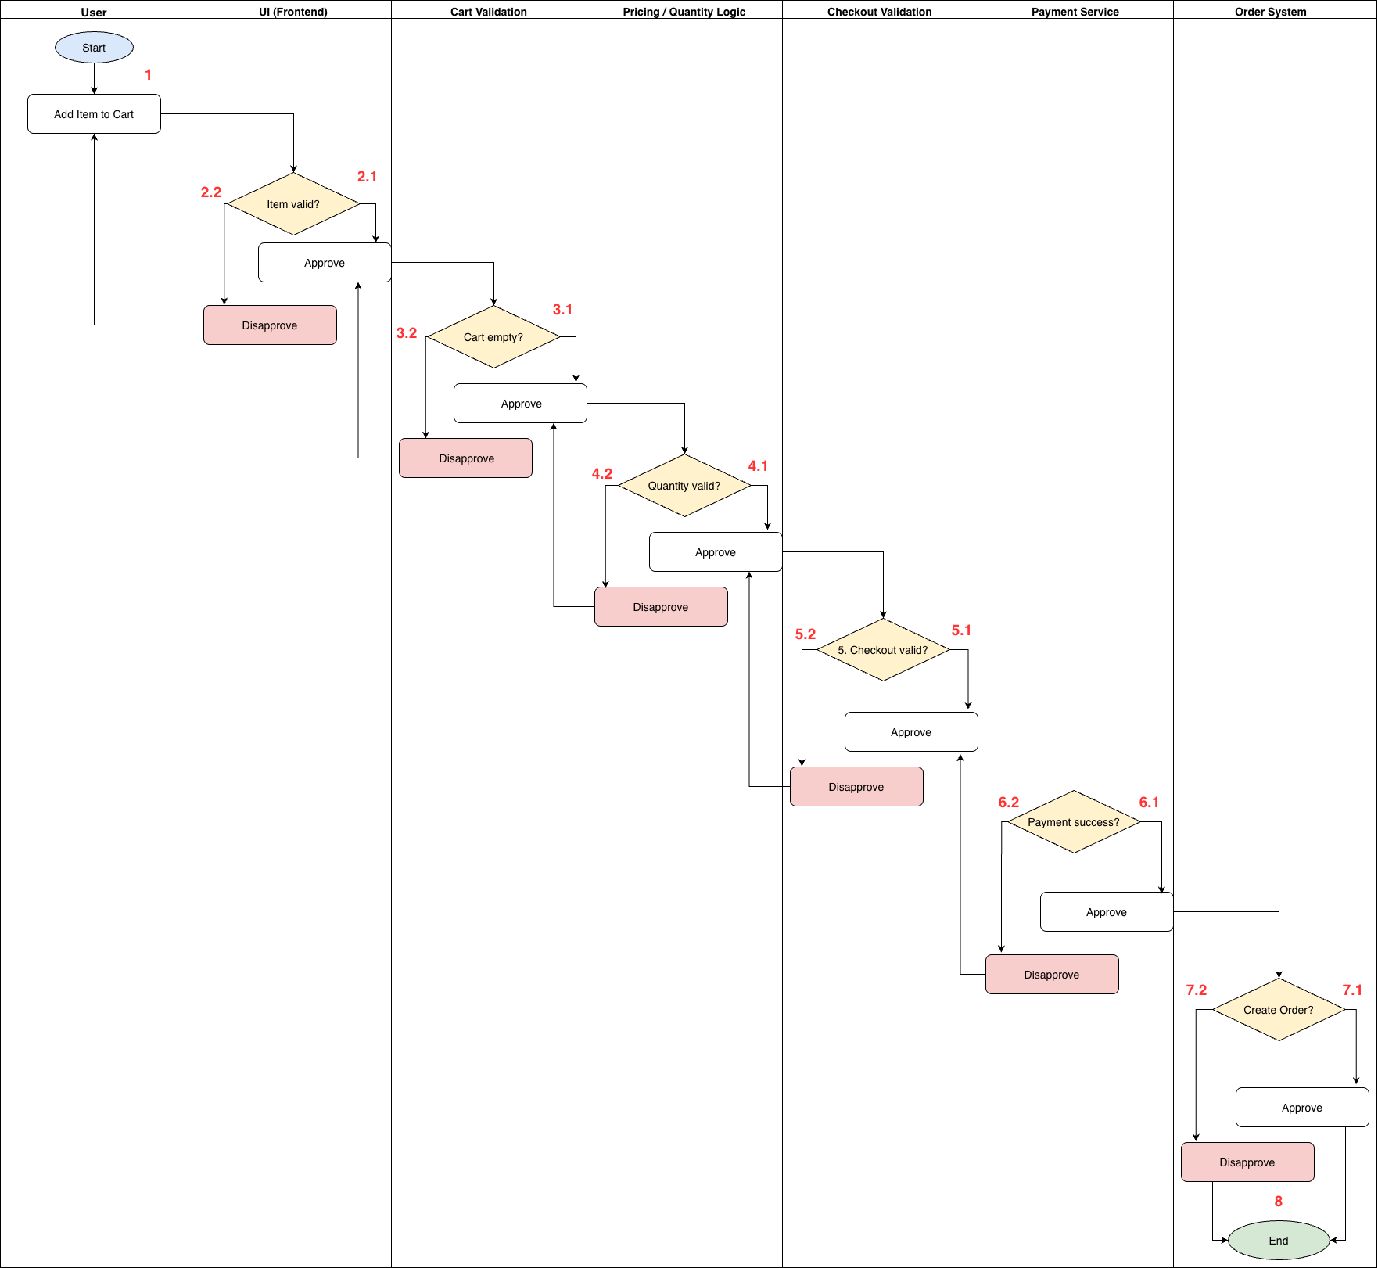

 | Test case Id | Workflow Name | Action | Role | State | Involved TCs | Assign To | Test pass 1 result | Test pass 2 result | Test pass 3 result | Note
 | WF_1 | Approve (Payment success?)
 |  | 1 | Add Item to Cart | User | Pending
 |  | 1->2.1 | Approve | UI (Frontend) | Open
 |  | 1->2.1 ->3.1 | Approve | Cart Validation | Open
 |  | 1->2.1 ->3.1->4.1 | Approve | Pricing/Quantity Logic | Open
 |  | 1->2.1 ->3.1->4.1->5.1 | Approve | Checkout Validation | Open
 |  | 1->2.1 ->3.1->4.1->5.1->6.1 | Approve | Payment Service | Open
 |  | 1->2.1 ->3.1->4.1->5.1->6.1->7.1 | Approve | Order System | Open
 |  | 1->2.1 ->3.1->4.1->5.1->6.1->7.1->8 | End | Order System | Close
 | WF_2 | Disapprove (Item valid?) at 2.2
 |  | 1 | Add Item to Cart | User | Pending
 |  | 1->2.2 | Disapprove | UI (Frontend) | Open
 |  | 1->2.2->1 | Approve | User | Return
 |  | 1->2.2->1->2.1 | Approve | UI (Frontend) | Open
 |  | 1->2.2->1->2.1->3.1 | Approve | Cart Validation | Open
 |  | 1->2.2->1->2.1->3.1->4.1 | Approve | Pricing/Quantity Logic | Open
 |  | 1->2.2->1->2.1->3.1->4.1->5.1 | Approve | Checkout Validation | Open
 |  | 1->2.2->1->2.1->3.1->4.1->5.1->6.1 | Approve | Payment Service | Open
 |  | 1->2.2->1->2.1->3.1->4.1->5.1->6.1->7.1 | Approve | Order System | Open
 |  | 1->2.2->1->2.1->3.1->4.1->5.1->6.1->7.1->8 | End | Order System | Close
 | WF_3 | Disapprove (Cart empty?) at 3.2
 |  | 1 | Add Item to Cart | User | Pending
 |  | 1->2.1 | Approve | UI (Frontend) | Open
 |  | 1->2.1->3.2 | Disapprove | Cart Validation | Open
 |  | 1->2.1->3.2->2.1 | Approve | UI (Frontend) | Return
 |  | 1->2.1->3.2->2.1->3.1 | Approve | Cart Validation | Open
 |  | 1->2.1->3.2->2.1->3.1->4.1 | Approve | Pricing/Quantity Logic | Open
 |  | 1->2.1->3.2->2.1->3.1->4.1->5.1 | Approve | Checkout Validation | Open
 |  | 1->2.1->3.2->2.1->3.1->4.1->5.1->6.1 | Approve | Payment Service | Open
 |  | 1->2.1->3.2->2.1->3.1->4.1->5.1->6.1->7.1 | Approve | Order System | Open
 |  | 1->2.1->3.2->2.1->3.1->4.1->5.1->6.1->7.1->8 | End | Order System | Close
 | WF_4 | Disapprove (Quantity valid?) at 4.2
 |  | 1 | Add Item to Cart | User | Pending
 |  | 1->2.1 | Approve | UI (Frontend) | Open
 |  | 1->2.1 ->3.1 | Approve | Cart Validation | Open
 |  | 1->2.1 ->3.1->4.2 | Disapprove | Pricing/Quantity Logic | Open
 |  | 1->2.1 ->3.1->4.2->3.1 | Approve | Cart Validation | Return
 |  | 1->2.1 ->3.1->4.2->3.1->4.1 | Approve | Pricing/Quantity Logic | Open
 |  | 1->2.1 ->3.1->4.2->3.1->4.1->5.1 | Approve | Checkout Validation | Open
 |  | 1->2.1 ->3.1->4.2->3.1->4.1->5.1->6.1 | Approve | Payment Service | Open
 |  | 1->2.1 ->3.1->4.2->3.1->4.1->5.1->6.1->7.1 | Approve | Order System | Open
 |  | 1->2.1 ->3.1->4.2->3.1->4.1->5.1->6.1->7.1->8 | End | Order System | Close
 | WF_5 | Disapprove (Checkout valid?) at 5.2
 |  | 1 | Add Item to Cart | User | Pending
 |  | 1->2.1 | Approve | UI (Frontend) | Open
 |  | 1->2.1 ->3.1 | Approve | Cart Validation | Open
 |  | 1->2.1 ->3.1->4.1 | Approve | Pricing/Quantity Logic | Open
 |  | 1->2.1 ->3.1->4.1->5.2 | Disapprove | Checkout Validation | Open
 |  | 1->2.1 ->3.1->4.1->5.2->4.1 | Approve | Pricing/Quantity Logic | Return
 |  | 1->2.1 ->3.1->4.1->5.2->4.1->5.1 | Approve | Checkout Validation | Open
 |  | 1->2.1 ->3.1->4.1->5.2->4.1->5.1->6.1 | Approve | Payment Service | Open
 |  | 1->2.1 ->3.1->4.1->5.2->4.1->5.1->6.1->7.1 | Approve | Order System | Open
 |  | 1->2.1 ->3.1->4.1->5.2->4.1->5.1->6.1->7.1->8 | End | Order System | Close
 | WF_6 | Disapprove (Payment success?) at 6.2
 |  | 1 | Add Item to Cart | User | Pending
 |  | 1->2.1 | Approve | UI (Frontend) | Open
 |  | 1->2.1 ->3.1 | Approve | Cart Validation | Open
 |  | 1->2.1 ->3.1->4.1 | Approve | Pricing/Quantity Logic | Open
 |  | 1->2.1 ->3.1->4.1->5.1 | Approve | Checkout Validation | Open
 |  | 1->2.1 ->3.1->4.1->5.1->6.2 | Disapprove | Payment Service | Open
 |  | 1->2.1 ->3.1->4.1->5.1->6.2->5.1 | Approve | Checkout Validation | Return
 |  | 1->2.1 ->3.1->4.1->5.1->6.2->5.1->6.1 | Approve | Payment Service | Open
 |  | 1->2.1 ->3.1->4.1->5.1->6.2->5.1->6.1->7.1 | Approve | Order System | Open
 |  | 1->2.1 ->3.1->4.1->5.1->6.2->5.1->6.1->7.1->8 | End | Order System | Close
 | WF_7 | Disapprove (Create Order?) at 7.2
 |  | 1 | Add Item to Cart | User | Pending
 |  | 1->2.1 | Approve | UI (Frontend) | Open
 |  | 1->2.1 ->3.1 | Approve | Cart Validation | Open
 |  | 1->2.1 ->3.1->4.1 | Approve | Pricing/Quantity Logic | Open
 |  | 1->2.1 ->3.1->4.1->5.1 | Approve | Checkout Validation | Open
 |  | 1->2.1 ->3.1->4.1->5.1->6.1 | Approve | Payment Service | Open
 |  | 1->2.1 ->3.1->4.1->5.1->6.1->7.2 | Disapprove | Order System | Open
 |  | 1->2.1 ->3.1->4.1->5.1->6.1->7.2->8 | End | Order System | Close

